Sheet1
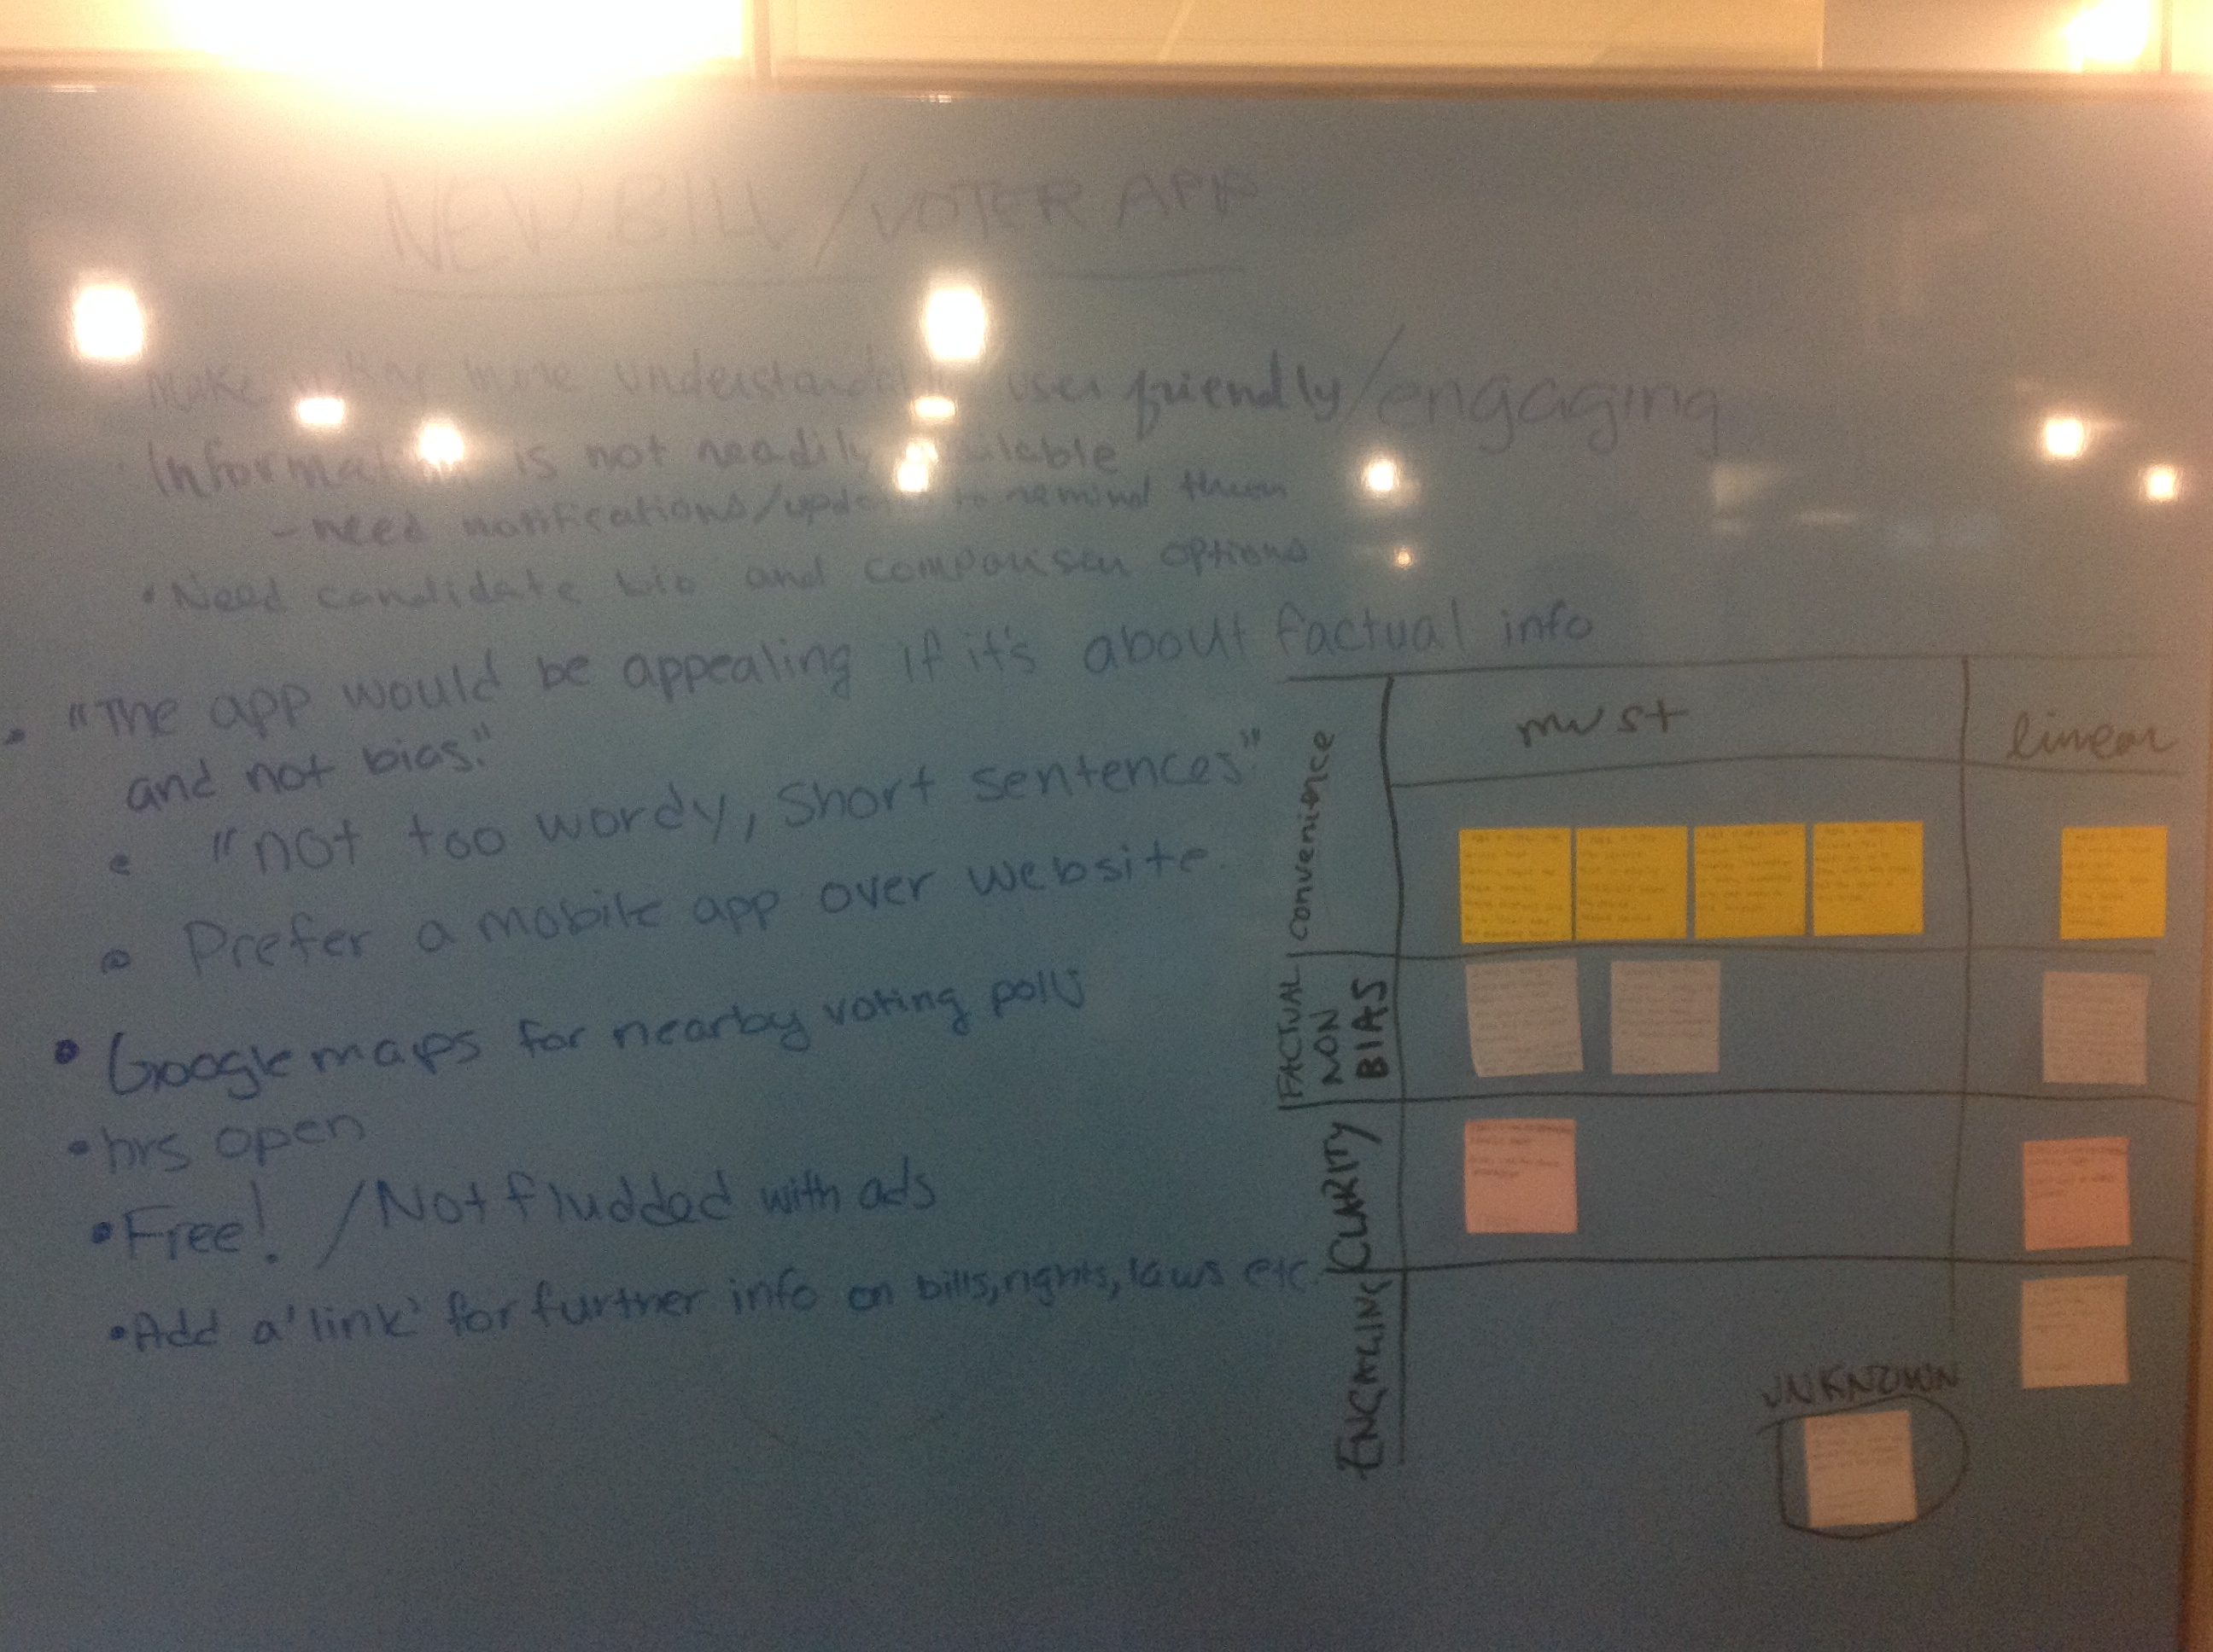
Categories | Needs | Types Of Needs | Metrics | Target Specifications | Names
Convience | compiles information on many candidates into an easy to use platform | Must | Chicago/State? | 10 | Justice Mosquera
 | sends push notifications to home screen | Linear | Traffic | 5 | Caroline Segre
 | keeps user up to date with rights and laws of their area | Must | Traffic | 50 | Colin Redmond
 | is easily accessible from phome or mobile device | Must | Traffic | 100
 | clearly shows on a map where local voting stations are | Must | Most visited | 50
factuality | Service that is not biased and doesn’t show favorbility to democratic or Republican topics | Must | Chicago/State? | 2
 | Explains Laws passed and what they will do if/when they are successful. Ex (obamacare) | Must | Nation or State? | 2
 | bio on each running candidate equal length | Linear | Chicago/State? | 2
Clarity | Gives links for more info | Must | Chicago/State/Nation | 2
 | Is not long or wordy (simple) | Linear | Wordcount | 1000
Enagaging | More visually appealing | linear | Visit | 100
 | Explains why my vote counts | unknown | Visit | 100

